Sheet1
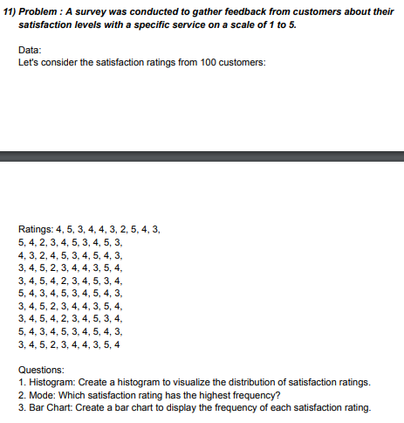
DATA |  |  |  |  |  | Bins | Frequency | 2. MODE
4 | 4 | 3 | 3 | 5 |  | 1 | 0 | MODE | 4
5 | 3 | 4 | 4 | 4 |  | 2 | 8
3 | 2 | 5 | 5 | 3 |  | 3 | 30
4 | 4 | 4 | 2 | 4 |  | 4 | 39
4 | 5 | 2 | 3 | 5 |  | 5 | 23
3 | 3 | 3 | 4 | 3 |  |  | 0
2 | 4 | 4 | 4 | 4
5 | 5 | 5 | 3 | 5
4 | 4 | 3 | 5 | 4
3 | 3 | 4 | 4 | 3
5 | 3 | 5 | 3 | 3
4 | 4 | 4 | 4 | 4
2 | 5 | 3 | 5 | 5
3 | 2 | 4 | 4 | 2
4 | 3 | 5 | 2 | 3
5 | 4 | 3 | 3 | 4
3 | 4 | 4 | 4 | 4
4 | 3 | 5 | 5 | 3
5 | 5 | 4 | 3 | 5
3 | 4 | 3 | 4 | 4
 |  |  |  |  | 3. BAR CHART
Frequency of rating

